3、结算单（店-香）
 | 东莞市慕声商贸有限公司
 | 广东省东莞市虎门镇连升路82号虎门万达广场2栋606房
 | Statement of Account
Purchasing object： | Hong Kong Andeo Group Limited
Settlement Period： | 2025/8/5-2025/8/11 | Settlement No.： |  |  | 20250812001
Settlement frequency: | every 7 days | Settlement date： |  |  | 2025/8/12
National site: | USD
No# | Description | Currency | Unit price | Q'ty | Amount
1 | MSUS-D33-5-2 | USD | 5.39 | 44 | 237.16
2 | MSUS-D33-2-3 | USD | 5.62 | 37 | 207.94
3 | MSUS-D33-5-4 | USD | 5.43 | 75 | 407.25
4 | MSUS-D33-2-6 | USD | 5.55 | 22 | 122.1
5 | MSUS-D33-5-6 | USD | 5.32 | 27 | 143.64
6 | MSUS-D33-25-2 | USD | 8.9 | 5 | 44.5
7 | MSUS-D33-5-3 | USD | 5.42 | 68 | 368.56
8 | MSUS-D33-2-4 | USD | 5.37 | 34 | 182.58
9 | MSUS-D33-5-5 | USD | 5.38 | 38 | 204.44
10 | MSUS-D33-267-3 | USD | 9.61 | 6 | 57.66
11 | MSUS-D33-2-5 | USD | 5.41 | 43 | 232.63
12 | MSUS-D33-267-5 | USD | 8.72 | 8 | 69.76
13 | MSUS-D33-25-5 | USD | 8.41 | 9 | 75.69
14 | MSUS-D33-267-6 | USD | 9.53 | 6 | 57.18
15 | MSUS-D33-7-4 | USD | 5.16 | 21 | 108.36
16 | MSUS-D33-265-4 | USD | 9.53 | 6 | 57.18
17 | MSUS-D33-7-6 | USD | 5.31 | 7 | 37.17
18 | MSUS-D33-25-4 | USD | 8.31 | 3 | 24.93
19 | MSUS-D33-7-3 | USD | 5.4 | 14 | 75.6
20 | MSUS-D33-2-2 | USD | 4.79 | 12 | 57.48
21 | MSUS-D33-7-5 | USD | 5.34 | 24 | 128.16
22 | MSUS-D33-7-2 | USD | 5.38 | 9 | 48.42
23 | MSUS-D33-6-5 | USD | 4.91 | 9 | 44.19
24 | MSUS-D33-6-3 | USD | 5.4 | 12 | 64.8
25 | MSUS-D33-267-4 | USD | 9.71 | 5 | 48.55
26 | MSUS-D33-22-5 | USD | 8.48 | 1 | 8.48
27 | MSUS-D33-6-4 | USD | 5.26 | 6 | 31.56
28 | MSUS-D33-25-6 | USD | 8.38 | 2 | 16.76
29 | MSUS-D33-265-3 | USD | 9.53 | 9 | 85.77
30 | MSUS-D33-6-2 | USD | 5.64 | 9 | 50.76
31 | MSUS-D33-25-3 | USD | 8.62 | 9 | 77.58
32 | MSUS-D33-265-5 | USD | 9.57 | 4 | 38.28
33 | MSUS-D33-265-6 | USD | 9.7 | 7 | 67.9
34 | MSUS-D33-265-2 | USD | 9.45 | 3 | 28.35
35 | MSUS-D33-267-2 | USD | 9.59 | 6 | 57.54
36 | MSUS-D33-22-4 | USD | 8.9 | 1 | 8.9
37 | MSUS-D59-5-4 | USD | 4.79 | 1 | 4.79
合计Total |  |  |  | 602 | 3582.6

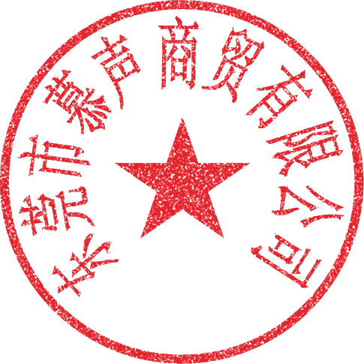
注：经签章即表明对以上数据核对无异议

卖方确认（SELLER confirms）： |  | 买方确认（Buyer confirms）:

